Sheet1
Defect Report |  | Defect Report |  | Defect Report |  | Defect Report |  | Defect Report |  | Defect Report |  | Defect Report |  | Defect Report |  | Defect Report |  | Defect Report |  | Defect Report |  | Defect Report |  | Defect Report |  | Defect Report |  | Defect Report |  | Defect Report |  | Defect Report |  | Defect Report |  | Defect Report |  | Defect Report |  | Defect Report |  | Defect Report |  | Defect Report |  | Defect Report |  | Defect Report |  | Defect Report
Version | V.3 | Version | V.3 | Version | V.3 | Version | V.3 | Version | V.3 | Version | V.3 | Version | V.3 | Version | V.3 | Version | V.3 | Version | V.3 | Version | V.3 | Version | V.3 | Version | V.3 | Version | V.3 | Version | V.3 | Version | V.3 | Version | V.3 | Version | V.3 | Version | V.3 | Version | V.3 | Version | V.3 | Version | V.3 | Version | V.3 | Version | V.3 | Version | V.3 | Version | V.3
Test Scenario | Manger (Edit Customer Form) | Test Scenario | Manger (Delete Customer) | Test Scenario | Manger (New Account) | Test Scenario | Manger (Edit Account) | Test Scenario | Manger (Edit Account) | Test Scenario | Manger (Delete Account) | Test Scenario | Manger (Delete Account) | Test Scenario | Manger (Delete Account) | Test Scenario | Manger (Deposite) | Test Scenario | Manger (Deposite) | Test Scenario | Manger (Deposite) | Test Scenario | Manger (Withdrawl) | Test Scenario | Manger (Withdrawl) | Test Scenario | Manger (Withdrawl) | Test Scenario | Manger (Withdrawl) | Test Scenario | Manger (Funds transfer) | Test Scenario | Manger (Funds transfer) | Test Scenario | Manger (Funds transfer) | Test Scenario | Manger (Funds transfer) | Test Scenario | Manger (Funds transfer) | Test Scenario | Manger (Funds transfer) | Test Scenario | Manger (Funds transfer) | Test Scenario | Manger (Balance Enquiry) | Test Scenario | Manger (Balance Enquiry) | Test Scenario | Manger (Mini Statement) | Test Scenario | Manger (Mini Statement)
ID | 9 | ID | 3 | ID | 3 | ID | 1 | ID | 3 | ID | 1 | ID | 3 | ID | 4 | ID | 1 | ID | 2 | ID | 5 | ID | 1 | ID | 2 | ID | 2 | ID | 5 | ID | 1 | ID | 2 | ID | 3 | ID | 5 | ID | 10 | ID | 9 | ID | 11 | ID | 1 | ID | 3 | ID | 1 | ID | 3
Test Case | When click on submit Button the new customer Details is edited | Test Case | Check confirmation message is shown on deletion of a customer | Test Case | the system can't add the account twice | Test Case | the first chracter in the"Account No" Field can not be space | Test Case | when click on submit the system redirected to a form after submitting | Test Case | the first chracter in the"Account No" Field can not be space | Test Case | Check confirmation message is shown on deletion of an account | Test Case | when click on submit the Account is deleted and the system is redirected to home page | Test Case | the first chracter in the"Account No" Field can not be space | Test Case | the first chracter in the"Amount Deposit" Field can not be space | Test Case | when click on submit the system show aform of the deposite | Test Case | the first chracter in the"Account No" Field can not be space | Test Case | the first chracter in the"Amount " Field can not be space | Test Case | the Account must have the necessary Balnce | Test Case | when click on submit the system show aform of the deposite | Test Case | the first chracter in the"Source Account No" Field can not be space | Test Case | the first chracter in the"Destination Account No" Field can not be space | Test Case | the first chracter in the"Amount" Field can not be space | Test Case | "Source Account No" and "Destination Account No" can not be the same | Test Case | the system must not show the funds transfer in the customized statement | Test Case | the system must not show the funds transfer page when the page is reloaded | Test Case | the manger can transfer funds only to an account under his supervision | Test Case | the first chracter in the"Account No" Field can not be space | Test Case | when click on submit the system show the Balannc | Test Case | the first chracter in the"Account No" Field can not be space | Test Case | when click on submit the system show Last 5 Transaction of the account
Test Steps | 1-Fill all the fields correctly 2-click on submit | Test Steps | 1-Enter Account No correctly 2-Click on submit | Test Steps | 1-Fill all the fields correctly 2-click on submit 3-Fill all the fields correctly with the same data again 4-click on submit | Test Steps | 1- keep the first character in the "Account No" field be a space 2- Move to the next Field | Test Steps | 1-Enter Account No correctly 2-Click on submit | Test Steps | 1- keep the first character in the "Account No" field be a space 2- Move to the next Field | Test Steps | 1-Enter Account No correctly 2-Click on submit | Test Steps | 1-Enter Account No correctly 2-Click on submit | Test Steps | 1- keep the first character in the "Account No" field be a space 2- Move to the next Field | Test Steps | 1- keep the first character in the "Amount Deposit" field be a space 2- Move to the next Field | Test Steps | 1-Enter Account No correctly 2-Click on submit | Test Steps | 1- keep the first character in the "Account No" field be a space 2- Move to the next Field | Test Steps | 1- keep the first character in the "Amount " field be a space 2- Move to the next Field | Test Steps | 1-enter the balance in the "amount" field greater than the balance in the account | Test Steps | 1-Enter Account No correctly 2-Click on submit | Test Steps | 1- keep the first character in the "Source Account No" field be a space 2- Move to the next Field | Test Steps | 1- keep the first character in the "Destination Account No" field be a space 2- Move to the next Field | Test Steps | 1- keep the first character in the "Amount" field be a space 2- Move to the next Field | Test Steps | 1-Enter the "Source Account No" and "The Destination Account No" with the same data 2- fill other fields correctly 3-click on submit | Test Steps | 1-go to customized statement page 2-fill all the required fields 3-Click on submit | Test Steps | 1-Enter all fields correctly 2-Click on submit 3-reload the page | Test Steps | 1-Enter all fields correctly 2-Click on submit | Test Steps | 1- keep the first character in the "Account No" field be a space 2- Move to the next Field | Test Steps | 1-Enter Account No correctly 2-Click on submit | Test Steps | 1- keep the first character in the "Account No" field be a space 2- Move to the next Field | Test Steps | 1-Enter Account No correctly 2-Click on submit
Expected Result | A New Customer Details is edited and show the details of the edit | Expected Result | the sysytem must show a message that ""Do you really want to delete this Customer?"" | Expected Result | the system show an error that (the system can't add the account twice) | Expected Result | the system show an error that (the first character in "Account No" field can not be space) | Expected Result | the system redirected to a form after submitting | Expected Result | the system show an error that (the first character in "Account No" field can not be space) | Expected Result | the sysytem must show a message that ""Do you really want to delete this account?"" | Expected Result | the account deleted and the system is redirected to home page | Expected Result | the system show an error that (the first character in "Account No" field can not be space) | Expected Result | the system show an error that (the first character in "Amount Deposit" field can not be space) | Expected Result | the deposite is done and show a form of the deposite | Expected Result | the system show an error that (the first character in "Account No" field can not be space) | Expected Result | the system show an error that (the first character in "Amount Deposit" field can not be space) | Expected Result | the system show an error that (the account don't have the necessary balance) | Expected Result | the deposite is done and show a form of the deposite | Expected Result | the system show an error that (the first character in "Source Account No" field can not be space) | Expected Result | the system show an error that (the first character in "Destination Account No" field can not be space) | Expected Result | the system show an error that (the first character in "Amount" field can not be space) | Expected Result | the system show an error that ("Source Account No" and "Destination Account No" can not be the same) | Expected Result | the funds transfer show in the customized statement | Expected Result | Page should redirect to fund transfer page | Expected Result | the system show an error that (You are not authorize to Transfer Funds from this account) | Expected Result | the system show an error that (the first character in "Account No" field can not be space) | Expected Result | the system show aform of the Balance | Expected Result | the system show an error that (the first character in "Account No" field can not be space) | Expected Result | the system show Last 5 Transaction of the account
Actual Result | A New Customer Details is edited but the system show amessage that "no changes made to customer records" | Actual Result | the system don't show an error message | Actual Result | the system don't show any error | Actual Result | the system don't show any error | Actual Result | Connection error | Actual Result | the system don't show any error | Actual Result | the system don't show any error | Actual Result | Connection Error | Actual Result | the system don't show any error | Actual Result | the system don't show any error | Actual Result | Connection Error | Actual Result | the system don't show any error | Actual Result | the system don't show any error | Actual Result | Connection error | Actual Result | Connection Error | Actual Result | the system don't show any error | Actual Result | the system don't show any error | Actual Result | the system don't show any error | Actual Result | the system show a message that the funds are transferred and show adetails for the transfer | Actual Result | Connection Error | Actual Result | the system show the form of the fund transfer details | Actual Result | the system Don't show any error | Actual Result | the system don't show any error | Actual Result | Connection error | Actual Result | the system don't show any error | Actual Result | Connection Error
Screen Shoot / video |  | Screen Shoot / video |  | Screen Shoot / video | 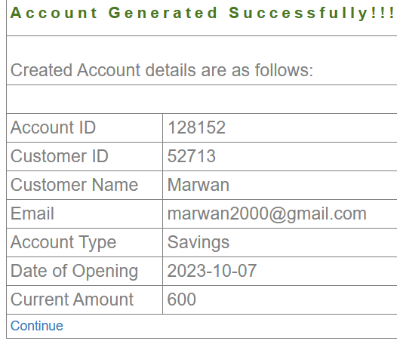 | Screen Shoot / video | 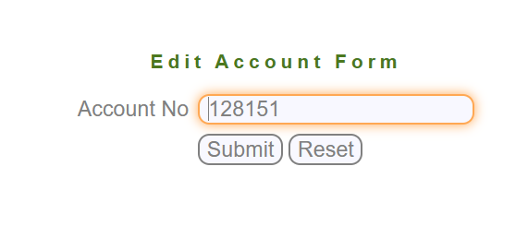 | Screen Shoot / video | 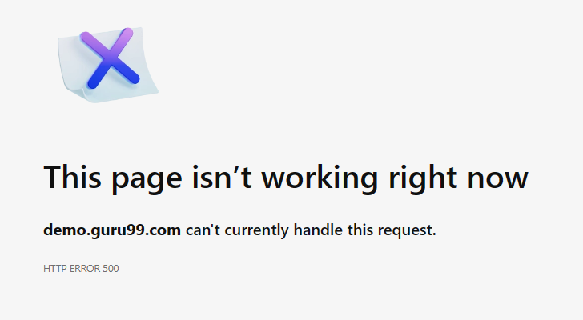 | Screen Shoot / video |  | Screen Shoot / video |  | Screen Shoot / video | 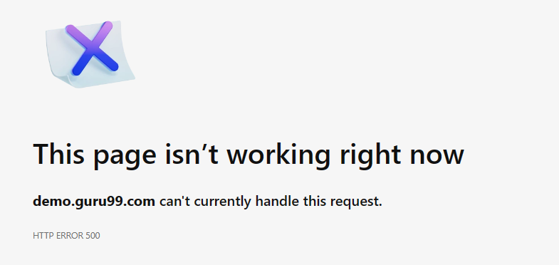 | Screen Shoot / video | 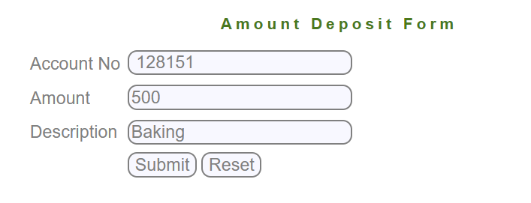 | Screen Shoot / video | 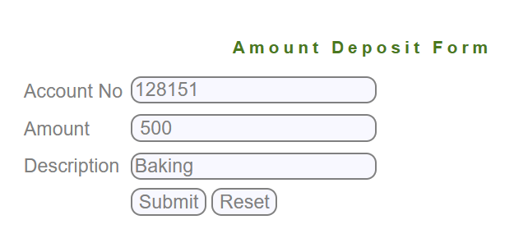 | Screen Shoot / video |  | Screen Shoot / video | 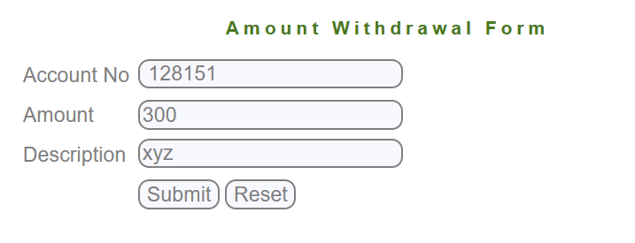 | Screen Shoot / video | 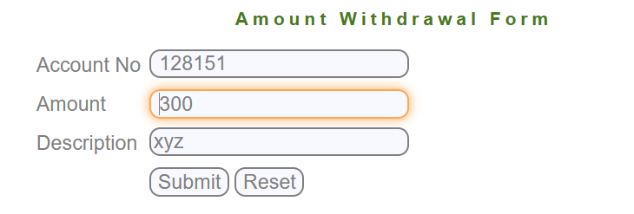 | Screen Shoot / video |  | Screen Shoot / video |  | Screen Shoot / video | 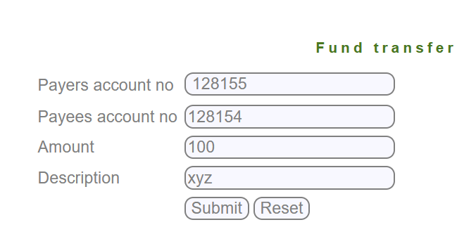 | Screen Shoot / video |  | Screen Shoot / video | 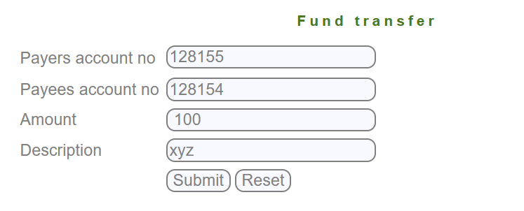 | Screen Shoot / video | 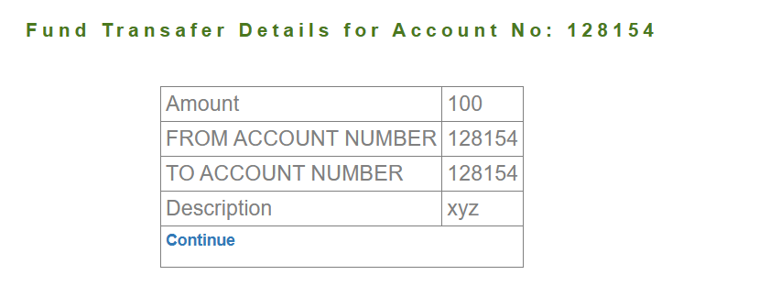 | Screen Shoot / video |  | Screen Shoot / video | 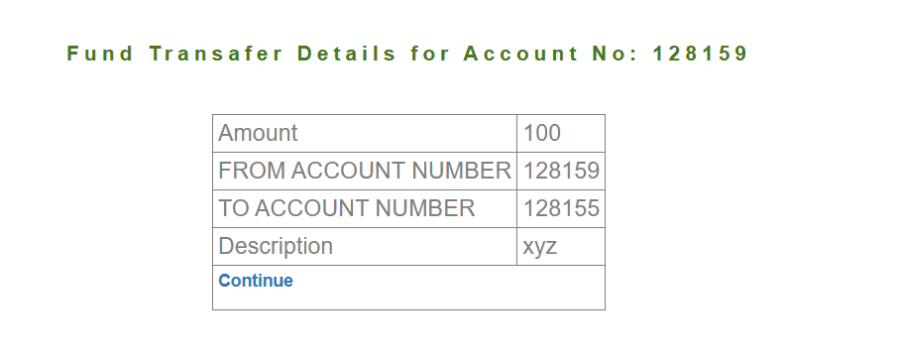 | Screen Shoot / video | 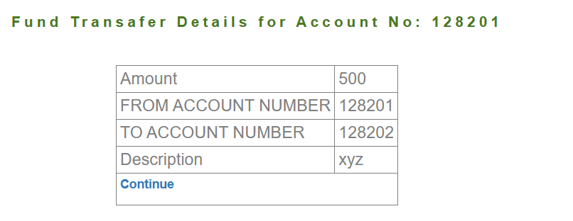 | Screen Shoot / video |  | Screen Shoot / video |  | Screen Shoot / video |  | Screen Shoot / video |  | 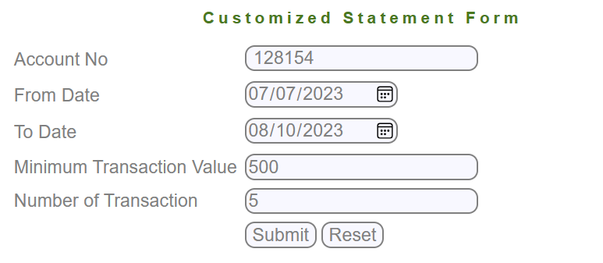 | 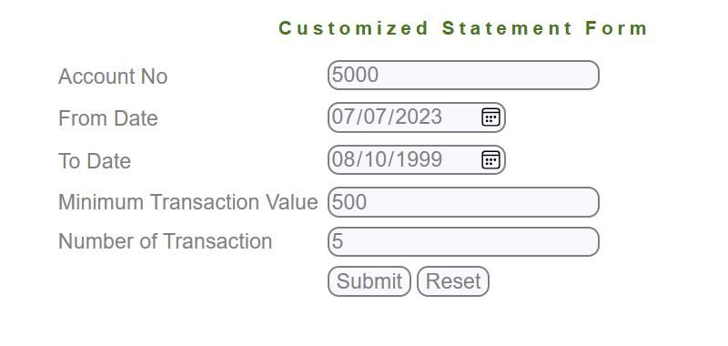 | 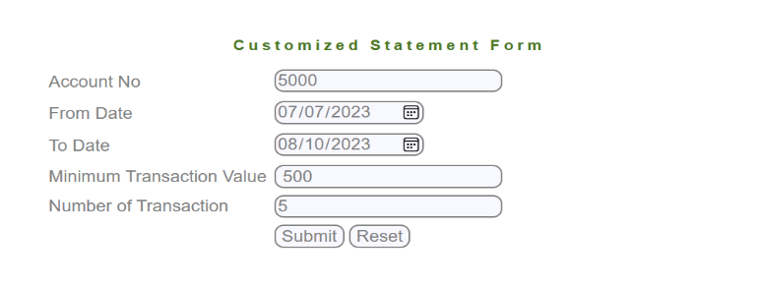 | 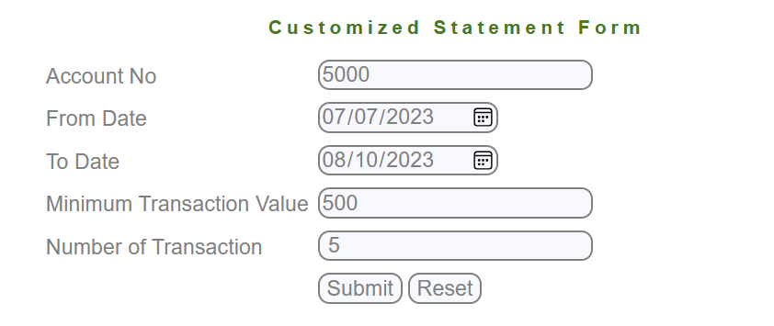
Piriority | High | Piriority | Medium | Piriority | High | Piriority | Medium | Piriority | Medium | Piriority | Medium | Piriority | Medium | Piriority | High | Piriority | Medium | Piriority | Medium | Piriority | High | Piriority | Medium | Piriority | Medium | Piriority | High | Piriority | High | Piriority | Medium | Piriority | Medium | Piriority | Medium | Piriority | High | Piriority | High | Piriority | Medium | Piriority | High | Piriority | Medium | Piriority | High | Piriority | Medium | Piriority | High

